Grammarly extension usage
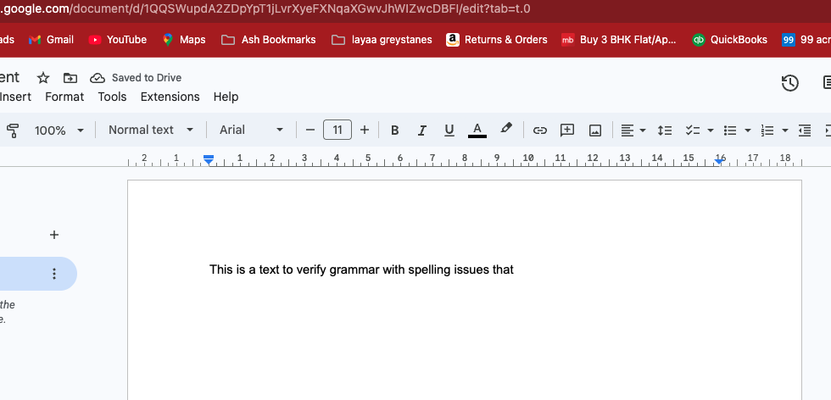
demonstrating grammarly extension

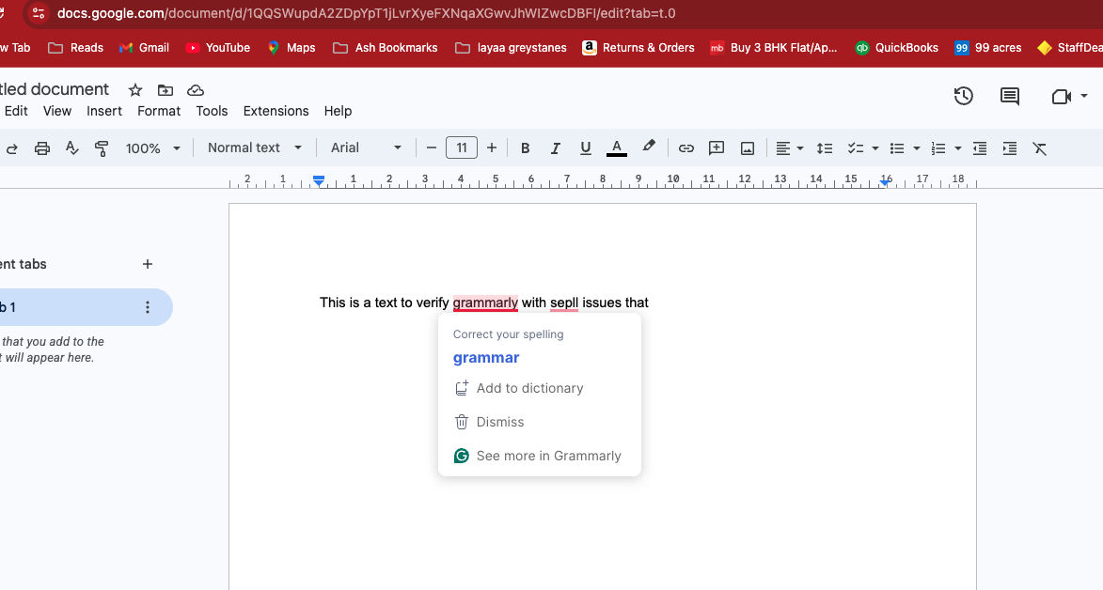

Fixed below

bugmagnet
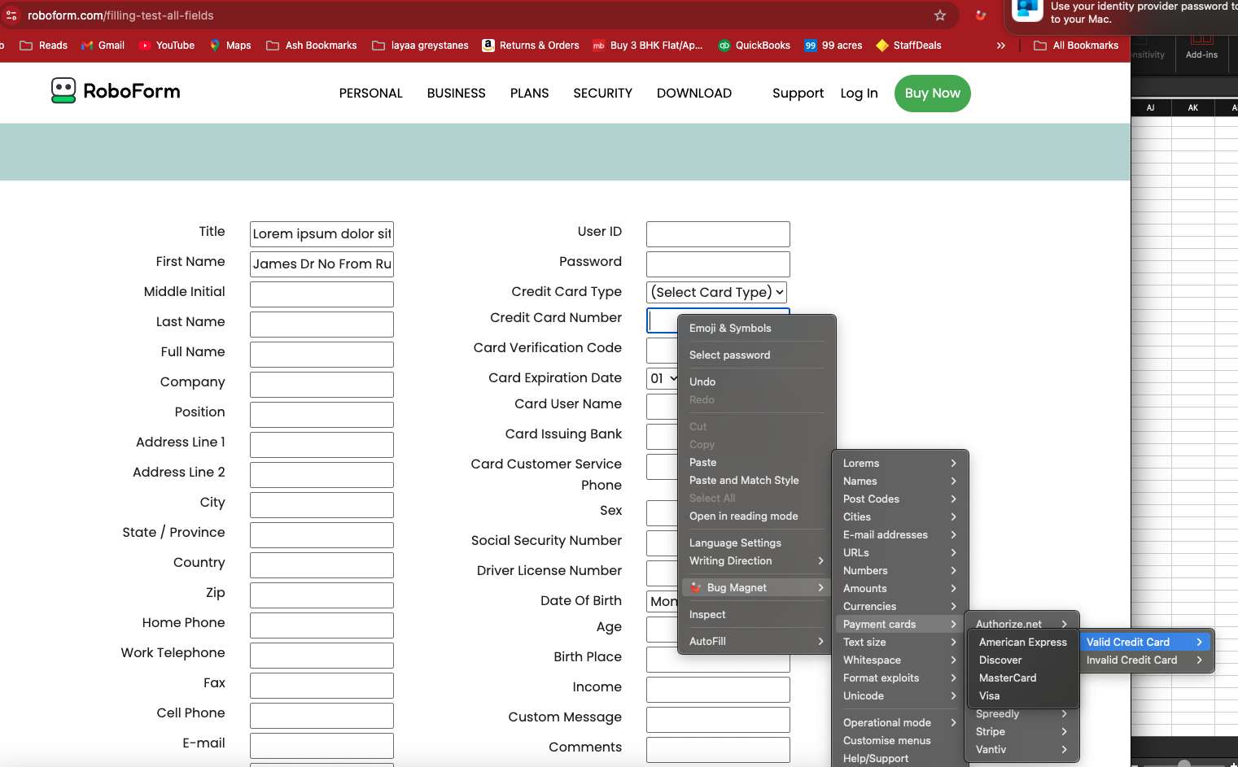
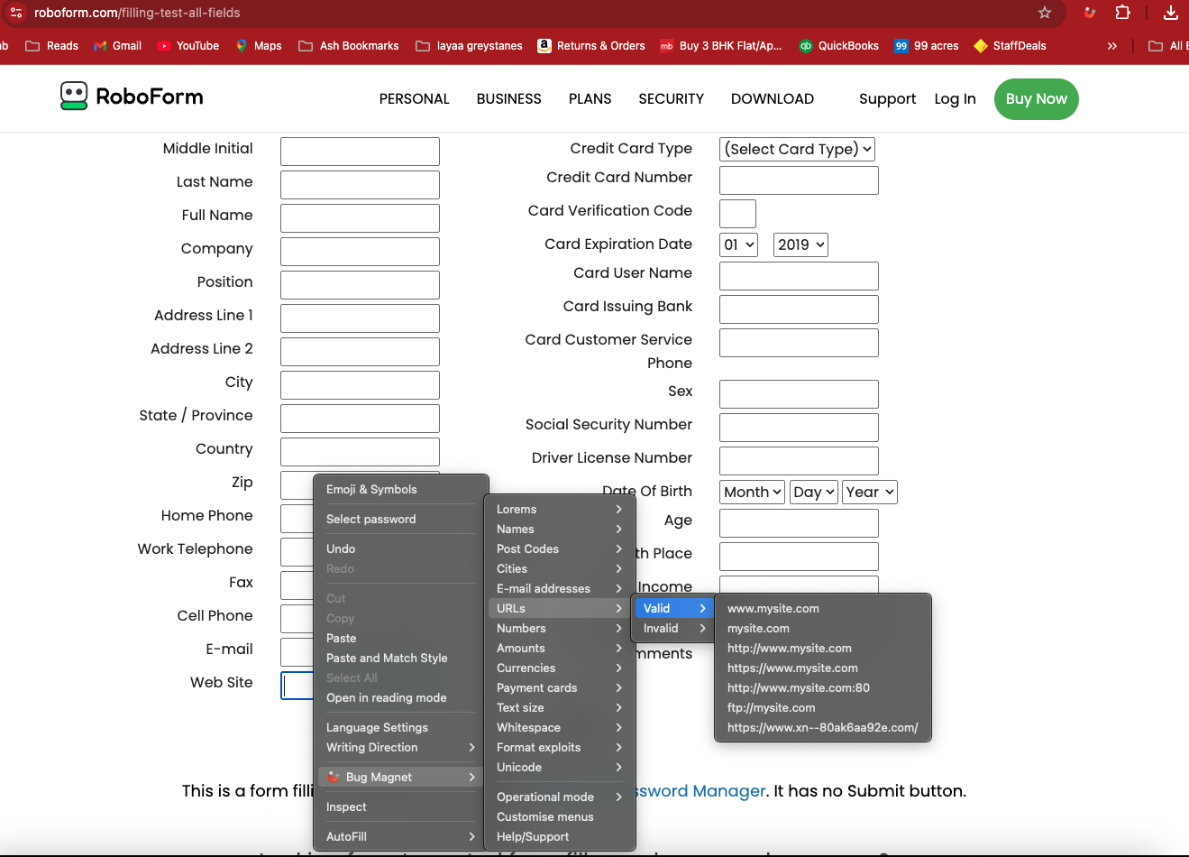
2) Use Bugmagnet extension for form filling

Vibe coding for playwright type
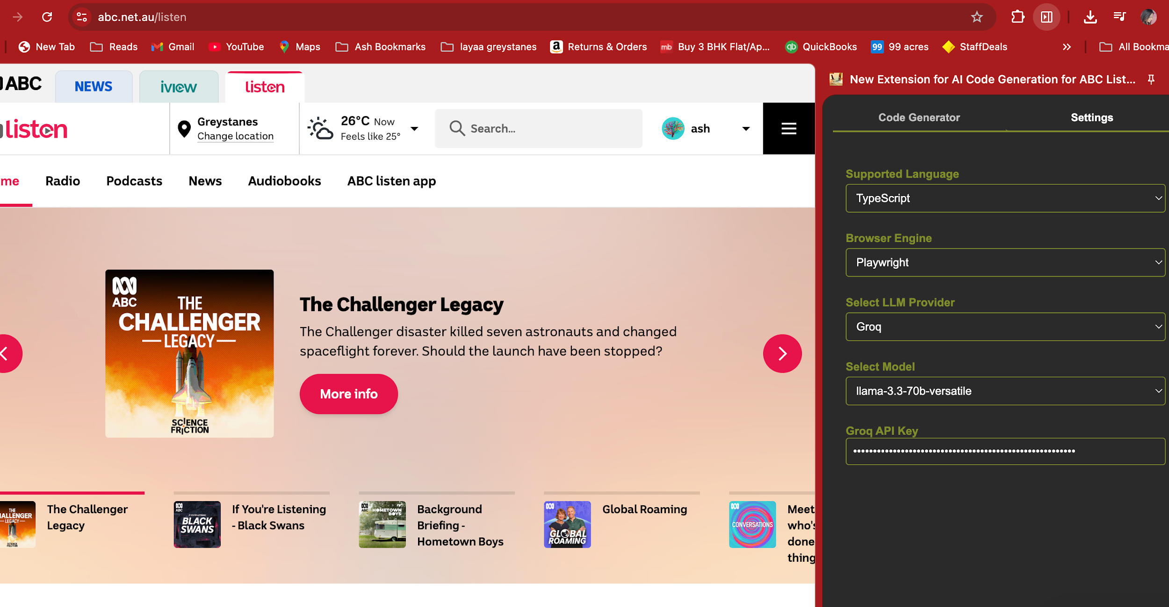
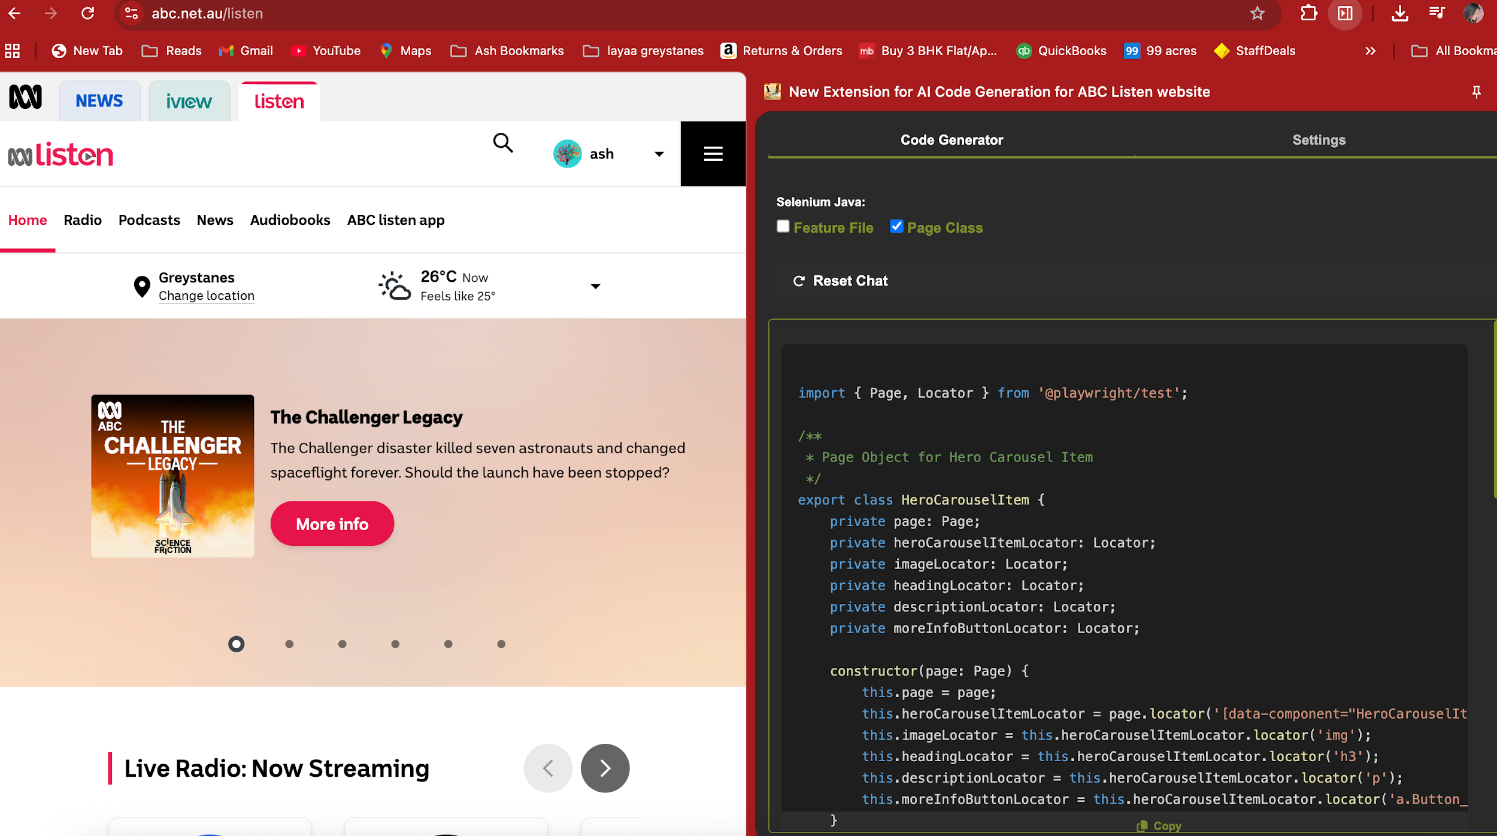
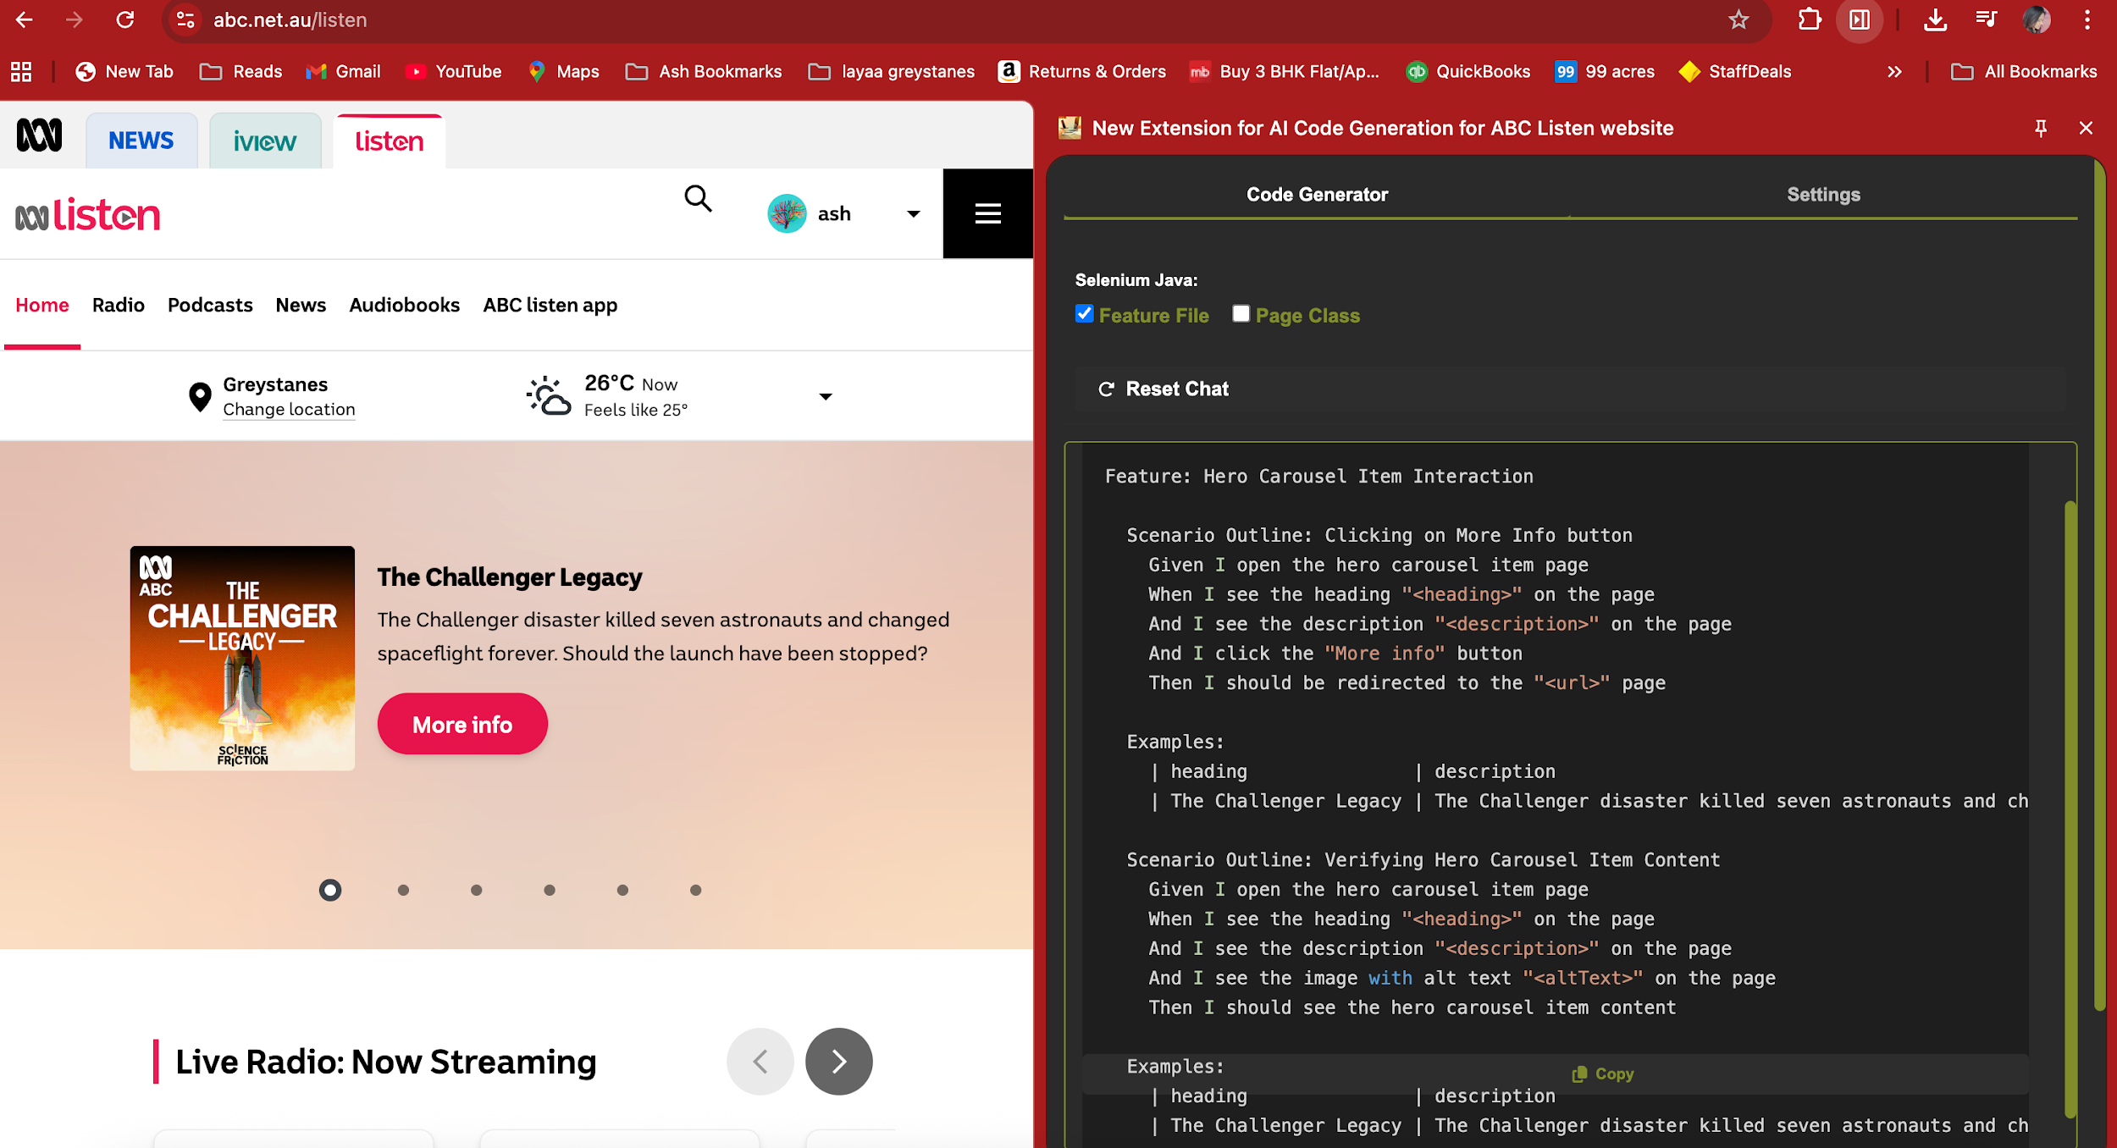
Prompt used: go step by step only on my approval and implement the below changes 1.go to prompt.js and Add new prompt templates for playwright typescript user selenium java as reference 2.go to chat.js and Update codeGeneratorType initialization to support Playwright options 3. go to panel.html and Add Playwright/TypeScript code generation options in the settings tab

